Sheet1
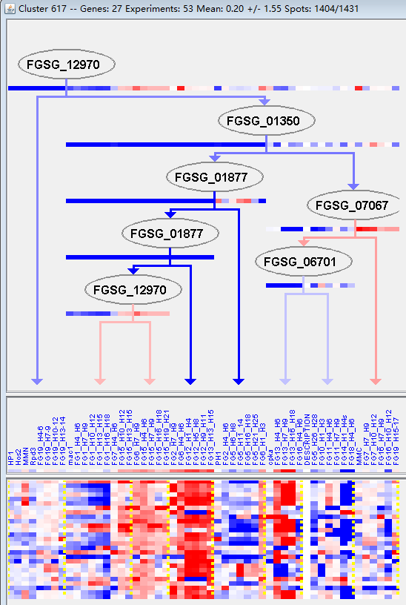
k | Filter | FUNCTIONAL CATEGORY | abs SET | rel SET | genes SET | abs GENOME | rel GENOME | rel SET/rel GENOME | P-VALUE | Bonferroni_corr | FDR
16.21 complex cofactor/cosubstrate/vitamine binding | 6 | 25 | FGSG_00049 FGSG_00065 FGSG_03548 FGSG_04708 FGSG_05610 FGSG_06447 | 514 | 3.71 | 6.738544474 | 0.000194759
01 METABOLISM | 14 | 58.3 | FGSG_00036 FGSG_11656 FGSG_00046 FGSG_00048 FGSG_00049 FGSG_04678 FGSG_03548 FGSG_03542 FGSG_04708 FGSG_05610 FGSG_06447 FGSG_06449 FGSG_06450 FGSG_11260 | 3402 | 24.6 | 2.369918699 | 0.000433678
20.01.15 electron transport | 5 | 20.8 | FGSG_00065 FGSG_03548 FGSG_03542 FGSG_05610 FGSG_06447 | 398 | 2.87 | 7.24738676 | 0.000521215
01.01.09.05.02 degradation of tyrosine | 2 | 8.33 | FGSG_06449 FGSG_06450 | 33 | 0.23 | 36.2173913 | 0.001475492
01.06.05 fatty acid metabolism | 3 | 12.5 | FGSG_00036 FGSG_11656 FGSG_11260 | 157 | 1.13 | 11.0619469 | 0.002440277
20.01 transported compounds (substrates) | 8 | 33.3 | FGSG_00046 FGSG_00065 FGSG_00076 FGSG_03548 FGSG_03542 FGSG_03516 FGSG_05610 FGSG_06447 | 1597 | 11.5 | 2.895652174 | 0.004171005
01.01 amino acid metabolism | 5 | 20.8 | FGSG_11656 FGSG_00049 FGSG_04708 FGSG_06449 FGSG_06450 | 649 | 4.69 | 4.434968017 | 0.004533441
01.20.17.07 metabolism of glycosinolates and derivatives | 1 | 4.16 | FGSG_06447 | 3 | 0.02 | 208 | 0.005198921
16.21.17 pyridoxal phosphate binding | 2 | 8.33 | FGSG_00049 FGSG_04708 | 63 | 0.45 | 18.51111111 | 0.005287192
01.01.09.04.02 degradation of phenylalanine | 2 | 8.33 | FGSG_06449 FGSG_06450 | 64 | 0.46 | 18.10869565 | 0.005451985
01.01.09.05 metabolism of tyrosine | 2 | 8.33 | FGSG_06449 FGSG_06450 | 64 | 0.46 | 18.10869565 | 0.005451985
01.01.11 metabolism of the pyruvate family (alanine, isoleucine, leucine, valine) and D-alanine | 2 | 8.33 | FGSG_00049 FGSG_04708 | 65 | 0.47 | 17.72340426 | 0.005619125
34.11.12 perception of nutrients and nutritional adaptation | 2 | 8.33 | FGSG_00076 FGSG_03516 | 88 | 0.63 | 13.22222222 | 0.010093396
01.01.09 metabolism of the cysteine - aromatic group | 3 | 12.5 | FGSG_04708 FGSG_06449 FGSG_06450 | 266 | 1.92 | 6.510416667 | 0.010570436
16.21.01 heme binding | 2 | 8.33 | FGSG_03548 FGSG_06447 | 91 | 0.65 | 12.81538462 | 0.010763314
01.01.09.04 metabolism of phenylalanine | 2 | 8.33 | FGSG_06449 FGSG_06450 | 94 | 0.67 | 12.43283582 | 0.011452491
01.01.06.05.02 degradation of methionine | 1 | 4.16 | FGSG_00049 | 7 | 0.05 | 83.2 | 0.012090535
01.01.11.01 metabolism of alanine | 1 | 4.16 | FGSG_04708 | 8 | 0.05 | 83.2 | 0.013806276
01.01.03.01.02 degradation of glutamine | 1 | 4.16 | FGSG_11656 | 9 | 0.06 | 69.33333333 | 0.015519162
32.07.01 detoxification involving cytochrome P450 | 2 | 8.33 | FGSG_03548 FGSG_06447 | 111 | 0.8 | 10.4125 | 0.015711998
20 CELLULAR TRANSPORT, TRANSPORT FACILITIES AND TRANSPORT ROUTES | 8 | 33.3 | FGSG_00046 FGSG_00065 FGSG_00076 FGSG_03548 FGSG_03542 FGSG_03516 FGSG_05610 FGSG_06447 | 2007 | 14.5 | 2.296551724 | 0.016408528
01.01.11.02.02 degradation of isoleucine | 1 | 4.16 | FGSG_00049 | 10 | 0.07 | 59.42857143 | 0.017229196
20.01.07 amino acid/amino acid derivatives transport | 2 | 8.33 | FGSG_00076 FGSG_03516 | 120 | 0.86 | 9.686046512 | 0.018202589
01.01.11.03.02 degradation of valine | 1 | 4.16 | FGSG_00049 | 11 | 0.07 | 59.42857143 | 0.018936383
01.01.03 assimilation of ammonia, metabolism of the glutamate group | 2 | 8.33 | FGSG_11656 FGSG_06449 | 127 | 0.91 | 9.153846154 | 0.020248094
01.20 secondary metabolism | 4 | 16.6 | FGSG_00048 FGSG_03542 FGSG_06447 FGSG_11260 | 627 | 4.53 | 3.664459161 | 0.021605231
34.11 cellular sensing and response to external stimulus | 3 | 12.5 | FGSG_00046 FGSG_00076 FGSG_03516 | 350 | 2.53 | 4.940711462 | 0.021955529
01.01.11.03.01 biosynthesis of valine | 1 | 4.16 | FGSG_00049 | 13 | 0.09 | 46.22222222 | 0.022342235
01.01.03.05.02 degradation of arginine | 1 | 4.16 | FGSG_06449 | 14 | 0.1 | 41.6 | 0.02404091
41.01.03.01 fruit body development (sexually or asexually derived spores) | 1 | 4.16 | FGSG_03538 | 15 | 0.1 | 41.6 | 0.025736755
01.01.03.01 metabolism of glutamine | 1 | 4.16 | FGSG_11656 | 16 | 0.11 | 37.81818182 | 0.027429776
01.01.11.02.01 biosynthesis of isoleucine | 1 | 4.16 | FGSG_00049 | 17 | 0.12 | 34.66666667 | 0.029119978
41.01.03 tissue pattern formation | 1 | 4.16 | FGSG_03538 | 17 | 0.12 | 34.66666667 | 0.029119978
16 PROTEIN WITH BINDING FUNCTION OR COFACTOR REQUIREMENT (structural or catalytic) | 10 | 41.6 | FGSG_00046 FGSG_00049 FGSG_00065 FGSG_03548 FGSG_03538 FGSG_04708 FGSG_05610 FGSG_06447 FGSG_06449 FGSG_06450 | 3139 | 22.7 | 1.832599119 | 0.029640728
01.01.11.04.02 degradation of leucine | 1 | 4.16 | FGSG_00049 | 19 | 0.13 | 32 | 0.03249194
02.11 electron transport and membrane-associated energy conservation | 2 | 8.33 | FGSG_00065 FGSG_05610 | 166 | 1.2 | 6.941666667 | 0.033268747
01.01.03.02.02 degradation of glutamate | 1 | 4.16 | FGSG_11656 | 21 | 0.15 | 27.73333333 | 0.035852678
01.01.11.03 metabolism of valine | 1 | 4.16 | FGSG_00049 | 21 | 0.15 | 27.73333333 | 0.035852678
01.01.11.04.01 biosynthesis of leucine | 1 | 4.16 | FGSG_00049 | 21 | 0.15 | 27.73333333 | 0.035852678
43.01.03.06 hyphae formation | 1 | 4.16 | FGSG_00006 | 23 | 0.16 | 26 | 0.039202226
16.17 metal binding | 4 | 16.6 | FGSG_03548 FGSG_05610 FGSG_06449 FGSG_06450 | 758 | 5.48 | 3.02919708 | 0.039700392
01.01.11.02 metabolism of isoleucine | 1 | 4.16 | FGSG_00049 | 25 | 0.18 | 23.11111111 | 0.042540622

16.21复杂的辅因子/酶的辅被作用物/维生素绑定
01新陈代谢

